Home
Instant Payments Adoption Maturity Self Assessment Tool for Businesses/Corporates

Instructions:

1) | Evaluate your readiness across Business, Operational and Technology dimensions by clicking on the 'Start' button below
2) | In the individual readiness tabs for each dimension, select the status for the readiness activities from the drop-down list based on your current completion status
3) | On clicking 'Calculate' after completing the readiness status survey, you will be taken to the Maturity Curve tab to understand where you are in the Instant Payment Adoption Journey by benchmarking the scores against the maturity model and determining the organization’s position on the maturity curve

Note: By clicking on 'Start' below you are agreeing to Consent note
Click here to read the Consent Note

Start

1. Business Readiness
Home
Assess Your Business Readiness

In the ‘Business Readiness’ table, select the status for the Business Readiness activities from the drop down list based on your current completion status. Scores will get auto-populated -

# | Business Readiness Activities | Status (Select the most appropriate option from the drop-down list) | Score
1 | Align on the strategic/business objective for adopting instant payments
2 | Educate internal stakeholders on benefits of instant payments
3 | Identify use cases where Instant Payments could be applicable/most beneficial
4 | Design a criteria to prioritize use cases (e.g., alignment with organization goals, investment required, resources needed, expected changes in internal processes, etc.)
5 | Evaluate use cases and identify the highest priority use case(s)
6 | Build a business case for the identified use case
7 | Seek buy in from relevant stakeholders on the business case and get funding approval for implementation

<< Back
Next >>
 | Average Business Readiness Score:

2. Operational Readiness
Home
Assess Your Operational Readiness

In the ‘Operational Readiness’ table, select the status for the Operational Readiness activities from the drop down list based on your current completion status. Scores will get auto-populated -

# | Operational Readiness Activities | Status (Select the most appropriate option from the drop-down list) | Score
1 | Establish processes to support 24x7 transaction processing
2 | Evaluate existing fraud and risk monitoring services/procedures and ramp up as needed
3 | Identify level of technology support required (e.g., define SLAs)
4 | Prepare business process documentation and update training materials
5 | Educate and train technology operations team; ensure they are sufficiently staffed
6 | Educate and train customer support representatives to answer customer queries on Instant Payments; ensure team is sufficiently staffed
7 | Design resources to educate customers about Instant Payments (e.g., FAQs on merchant website)

<< Back
Next >>
 | Average Operational Readiness Score:

3. Technology Readiness
Home
Assess Your Technology Readiness

In the ‘Technology Readiness’ table, select the status for the Technology Readiness activities from the drop down list based on your current completion status. Scores will get auto-populated -

# | Technology Readiness Activities | Status (Select the most appropriate option from the drop-down list) | Score
1 | Identify a banking partner to understand the required changes to internal systems and accelerate instant payments implementation
2 | Identify additional services/modules required to be integrated to existing technology infrastructure (e.g., enhancements required to existing systems)
3 | Integrate front office and back office systems (e.g., connectivity to internal billing and reconciliation systems)
4 | Run controlled/small-scale pilots with potential banking partners and small customer cohorts
5 | Expand Instant Payments offering across channels (mobile, web)

<< Back
Calculate >>
 | Average Technology Readiness Score:

Maturity Curve
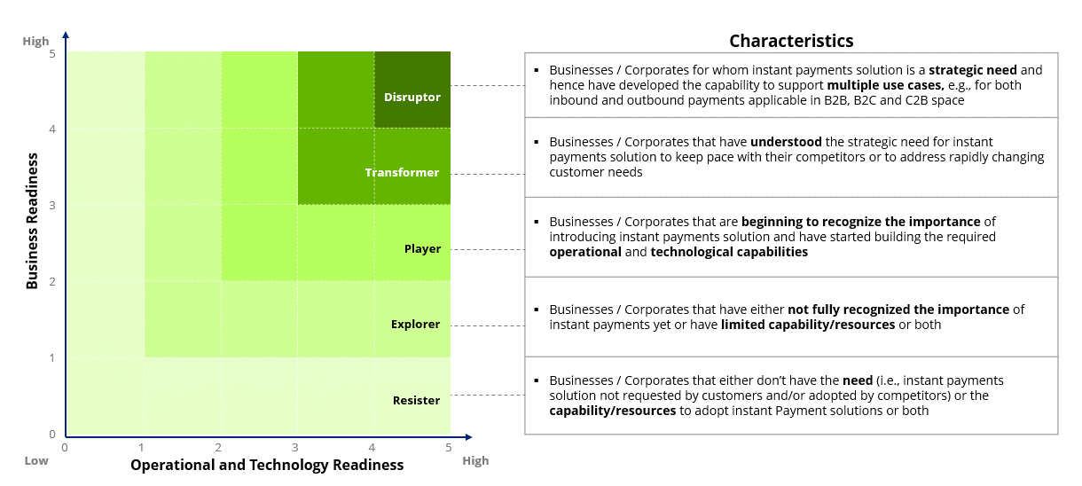
Home
Identify Where You Are On The Maturity Curve

 | Average Business Readiness Score:

 | Average Operational and Technology Readiness Score:

 | Based on your scores on all the dimensions, you are
 | Below are some of the next steps that may be considered based on your position on the Maturity Curve:

 | To schedule a business discussion, save your results and share it with Deloitte at usrtppractice@deloitte.com, with the subject-line "Instant Payments Self Assessment | Business <Name of your organization>"

